Data
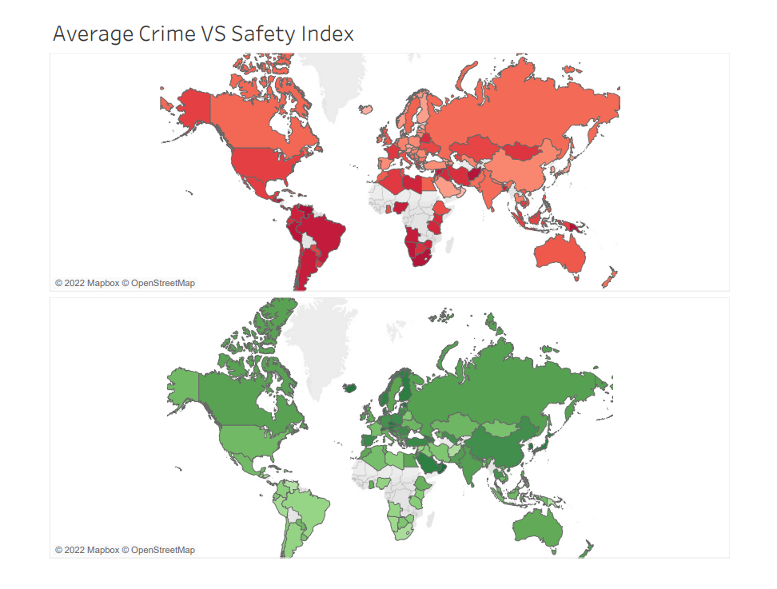
Country | Avg. Crime Index | Avg. Safety Index
Afghanistan | 79.39 | 20.61
Albania | 44.5 | 55.5
Algeria | 53.88 | 46.12
Angola | 67.45 | 32.55
Argentina | 66.273333333 | 33.726666667
Armenia | 21.66 | 78.34
Australia | 46.27375 | 53.72625
Austria | 27.115 | 72.885 | Safest City in the Word
Azerbaijan | 30.36 | 69.64 | Abu Dhabi, United Arab Emirates
Bahrain | 21.06 | 78.94
Bangladesh | 63.66 | 36.34
Belarus | 58.72 | 41.28 | Unsafest City in the Word
Belgium | 43.4025 | 56.5975 | Caracas, Venezuela
Bosnia And Herzegovina | 39.99 | 60.01
Botswana | 55.67 | 44.33
Brazil | 67.510769231 | 32.489230769 | Most Safe Country on Average
Bulgaria | 39.63 | 60.37 | Qatar
Cambodia | 53.56 | 46.44
Canada | 44.013157895 | 55.986842105
Chile | 59.8 | 40.2 | Least Safe Country on Average
China | 33.53 | 66.47 | Venezuela
Colombia | 62.68 | 37.32
Costa Rica | 55.38 | 44.62
Croatia | 26.136666667 | 73.863333333
Cuba | 31.2 | 68.8
Cyprus | 30.96 | 69.04
Czech Republic | 25.09 | 74.91
Denmark | 24.27 | 75.73
Dominican Republic | 68.37 | 31.63
Ecuador | 57.623333333 | 42.376666667
Egypt | 44.96 | 55.04
El Salvador | 69.79 | 30.21
Estonia | 22.145 | 77.855
Ethiopia | 47.15 | 52.85
Finland | 27.763333333 | 72.236666667
France | 53.906666667 | 46.093333333
Georgia | 25.16 | 74.84
Germany | 36.858 | 63.142
Ghana | 46.88 | 53.12
Greece | 55.61 | 44.39
Guatemala | 62.65 | 37.35
Honduras | 80.87 | 19.13
Hong Kong | 21.62 | 78.38
Hungary | 35.06 | 64.94
Iceland | 23.02 | 76.98
India | 43.3524 | 56.6476
Indonesia | 50.83 | 49.17
Iran | 55.72 | 44.28
Iraq | 59.13 | 40.87
Ireland | 42.074 | 57.926
Israel | 29.906666667 | 70.093333333
Italy | 47.111666667 | 52.888333333
Jamaica | 71.44 | 28.56
Japan | 28.07 | 71.93
Jordan | 38.82 | 61.18
Kazakhstan | 48.65 | 51.35
Kenya | 59.03 | 40.97
Kuwait | 30.55 | 69.45
Latvia | 37.91 | 62.09
Lebanon | 46.67 | 53.33
Libya | 62.29 | 37.71
Lithuania | 33.516666667 | 66.483333333
Luxembourg | 30.15 | 69.85
Malaysia | 52.39 | 47.61
Maldives | 63.89 | 36.11
Mexico | 52.165384615 | 47.834615385
Moldova | 44.74 | 55.26
Mongolia | 55.34 | 44.66
Montenegro | 47.2 | 52.8
Morocco | 45.78 | 54.22
Namibia | 68.64 | 31.36
Nepal | 37.25 | 62.75
Netherlands | 27.235 | 72.765
New Zealand | 41.27 | 58.73
Nigeria | 66.22 | 33.78
North Macedonia | 46.76 | 53.24
Norway | 29.61 | 70.39
Oman | 20.54 | 79.46
Pakistan | 41.99 | 58.01
Panama | 47.16 | 52.84
Papua New Guinea | 80.71 | 19.29
Paraguay | 49.29 | 50.71
Peru | 70.7 | 29.3
Philippines | 46.04 | 53.96
Poland | 33.397142857 | 66.602857143
Portugal | 39.166666667 | 60.833333333
Puerto Rico | 68.55 | 31.45
Qatar | 13.96 | 86.04
Romania | 32.99625 | 67.00375
Russia | 43.391428571 | 56.608571429
Rwanda | 24.16 | 75.84
Saudi Arabia | 28.516666667 | 71.483333333
Serbia | 39.71 | 60.29
Singapore | 27.22 | 72.78
Slovakia | 29.89 | 70.11
Slovenia | 21.48 | 78.52
South Africa | 77.336666667 | 22.663333333
South Korea | 25.38 | 74.62
Spain | 32.846666667 | 67.153333333
Sri Lanka | 41.19 | 58.81
Sweden | 44.884 | 55.116
Switzerland | 21.156666667 | 78.843333333
Syria | 67.94 | 32.06
Taiwan | 15.05 | 84.95
Tanzania | 59.9 | 40.1
Thailand | 37.113333333 | 62.886666667
Trinidad And Tobago | 76.21 | 23.79
Tunisia | 47.14 | 52.86
Turkey | 32.01 | 67.99
Ukraine | 47.742 | 52.258
United Arab Emirates | 14.825 | 85.175
United Kingdom | 46.552777778 | 53.447222222
United States | 51.306896552 | 48.693103448
Uruguay | 54.81 | 45.19
Uzbekistan | 33.86 | 66.14
Venezuela | 83.98 | 16.02
Vietnam | 45.865 | 54.135
Zimbabwe | 60.35 | 39.65

